Results
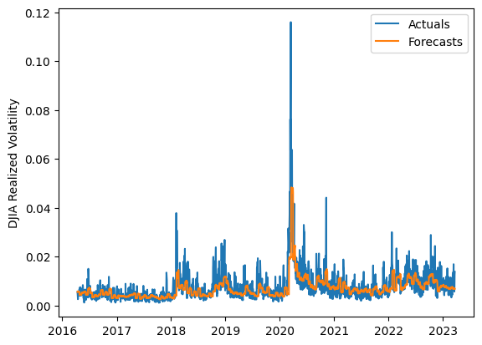
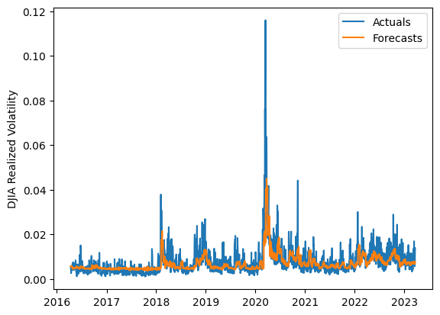
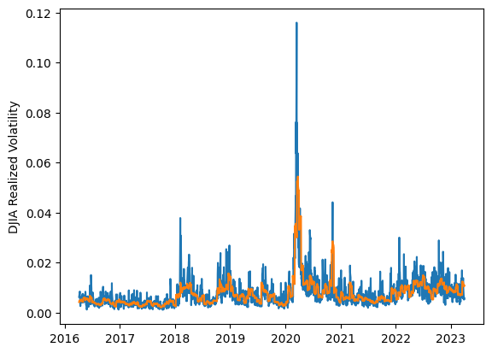
 | LSTM |  |  | TCN |  |  | NBEATSx |  |  |  |  | LSTM |  |  | TCN |  |  | NBEATSx
 | Accuracy | RMSE | Qlike | Accuracy | RMSE | Qlike | Accuracy | RMSE | Qlike |  |  | Accuracy | RMSE | Qlike | Accuracy | RMSE | Qlike | Accuracy | RMSE | Qlike
Trial 1 | 58.96% | 0.30% | 12.28% | 58.92% | 0.31% | 12.95% | 63.39% | 0.27% | 10.20% |  | Mean | 55.59% | 0.307% | 0.139 | 58.25% | 0.300% | 0.128 | 62.80% | 0.276% | 0.104
Trial 2 | 39.56% | 0.34% | 19.87% | 61.75% | 0.30% | 12.01% | 62.48% | 0.27% | 10.18% |  | Standard Deviation | 8.21% | 0.021% | 0.029 | 2.48% | 0.008% | 0.008 | 0.71% | 0.004% | 0.002
Trial 3 | 54.66% | 0.30% | 13.67% | 57.59% | 0.29% | 12.81% | 61.57% | 0.28% | 10.80% |  | 95% CI upper bound | 72.01% | 0.349% | 0.196 | 63.22% | 0.316% | 0.143 | 64.23% | 0.283% | 0.109
Trial 4 | 61.29% | 0.29% | 11.80% | 59.56% | 0.30% | 12.53% | 62.36% | 0.28% | 10.54% |  | 95% CI lower bound | 39.17% | 0.265% | 0.082 | 53.29% | 0.284% | 0.112 | 61.37% | 0.269% | 0.100
Trial 5 | 61.41% | 0.31% | 13.20% | 58.23% | 0.31% | 13.19% | 61.83% | 0.28% | 10.72% |  | 99.7% CI upper bound | 80.22% | 0.369% | 0.225 | 65.70% | 0.325% | 0.150 | 64.94% | 0.287% | 0.111
Trial 6 | 60.50% | 0.29% | 11.84% | 59.15% | 0.29% | 12.24% | 62.66% | 0.28% | 10.45% |  | 99.7% CI lower bound | 30.96% | 0.245% | 0.053 | 50.81% | 0.275% | 0.105 | 60.66% | 0.266% | 0.098
Trial 7 | 55.94% | 0.30% | 13.31% | 59.83% | 0.29% | 12.03% | 62.36% | 0.28% | 10.49%
Trial 8 | 62.26% | 0.30% | 12.06% | 53.93% | 0.30% | 13.92% | 63.69% | 0.27% | 10.08%
Trial 9 | 49.90% | 0.31% | 15.41% | 60.24% | 0.30% | 12.19% | 63.84% | 0.27% | 10.59%
Trial 10 | 63.14% | 0.30% | 11.58% | 60.58% | 0.29% | 11.84% | 63.74% | 0.27% | 10.48%
Trial 11 | 50.74% | 0.31% | 15.06% | 55.24% | 0.31% | 13.69% | 62.43% | 0.28% | 10.58%
Trial 12 | 37.18% | 0.37% | 20.70% | 58.67% | 0.29% | 12.48% | 62.75% | 0.28% | 10.69%
Trial 13 | 63.45% | 0.30% | 11.89% | 58.65% | 0.30% | 12.63% | 63.70% | 0.27% | 10.11%
Trial 14 | 54.36% | 0.30% | 13.82% | 52.74% | 0.32% | 14.45% | 62.52% | 0.28% | 10.57%
Trial 15 | 60.54% | 0.29% | 11.88% | 58.72% | 0.29% | 12.43% | 62.67% | 0.27% | 10.27%

 | LSTM (best trial) |  |  |  |  |  |  |  |  | TCN (best trial) |  |  |  |  |  |  |  |  | NBEATSx (best trial)

